Hole Punch Offset
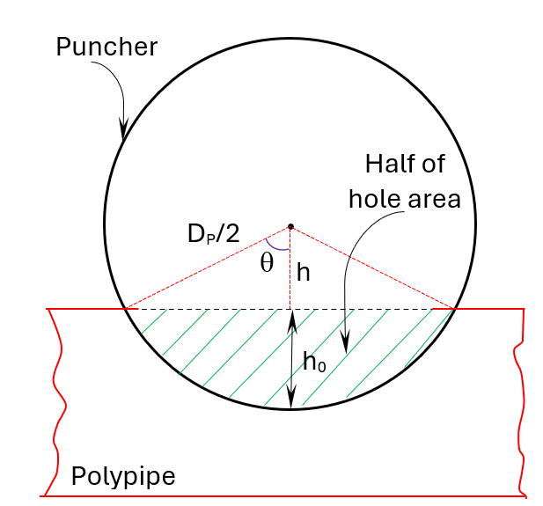
This cell is the Area equation. Goal is to get this cell to 0 by changing cell C4.
Diameter of puncher (inch) | DP | 1
Hole diameter (inch) | DO | 1
Offset length from center of puncher (in) | h | 0 | 0 | Equation
Goal seek option in "what-if analysis" will change this cell to achive E4 = 0. Use initial value of 0.
Test: if the hole and puncher diameter are same, the h_o should be D_P/2.
Offset length from edge of ploypipe (in) | ho | 0.5

